Regions
 | Solicitation 23017 - Solar Power Purchase Agreements
 | Regions
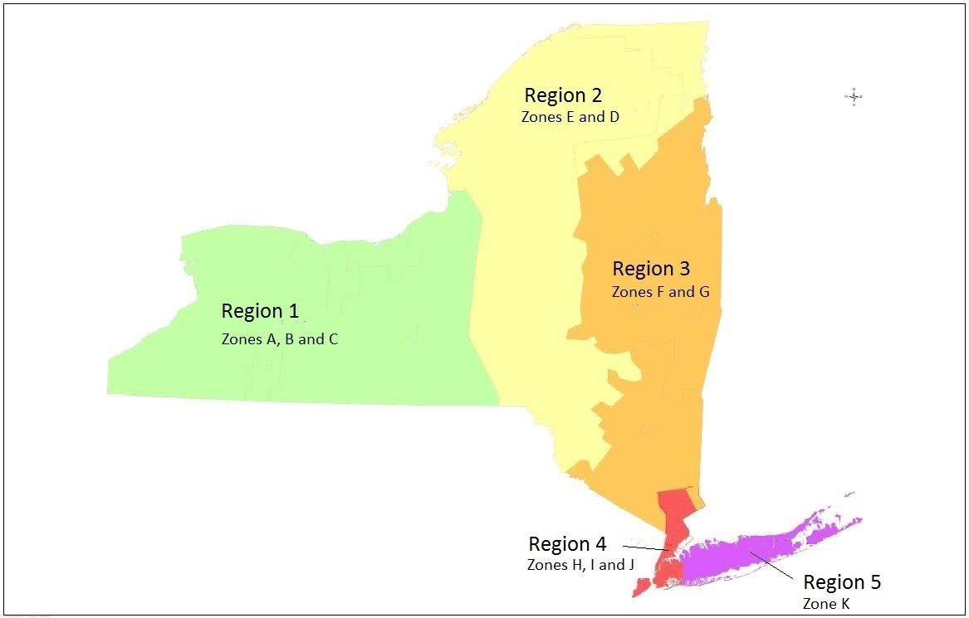

 | Notes:
 | · Zones A-K plotted on map above are referenced below and broken down further by County.
 | · Counties may cross over borders of NYISO Zones and be a part of multiple NYISO Zones.
 | NYS Counties by NYISO Zone:
Region 1 | Zone A | Niagara, Erie, Orleans, Monroe, Livingston, Genesee, Wyoming, Cattaraugus, Chautauqua

Region 1 | Zone B | Wayne, Monroe, Ontario, Allegany
Region 1 | Zone C | Oswego, Onondaga, Cayuga, Cortland, Broome, Tioga, Tompkins, Seneca, Yates, Ontario, Schuyler, Chemung
Region 2 | Zone D | Franklin, Clinton, Essex, Hamilton
Region 2 | Zone E | Franklin, St Lawrence, Jefferson, Lewis, Herkimer, Oneida, Madison, Otsego, Chenango, Delaware, Sullivan
Region 3 | Zone F | Essex, Hamilton, Warren, Washington, Fulton, Saratoga, Montgomery, Schenectady, Rensselaer, Otsego, Schoharie, Albany, Columbia, Greene
Region 3 | Zone G | Greene, Ulster, Dutchess, Putnam, Orange, Rockland
Region 4 | Zone H | Westchester
Region 4 | Zone I | Westchester
Region 4 | Zone J | Bronx, New York, Richmond, Kings, Queens
Region 5 | Zone K | Nassau, Suffolk

