Quick Quote Aggregates
Group 33700 - Award #23221 FINE AND COARSE AGGREGATES (STATEWIDE) QUICK QUOTE FORM (Revised March 17, 2023)

AGENCY/USER COMPLETES THIS SECTION FOR QUICK QUOTE

 | Date when the Quick Quote form is sent to the Contractor: |  |  |  |  |  |  |  | July |  |  | / |  | / | 2022

NOTE:
The Authorized User and the Contractor should adhere to the following guidelines:
1. The Total Material Item Cost + Delivery Cost shown below includes all the Price Adjustments for the month when the Quick Quote form is sent to the Contractor.
If the material is delivered in a different month other than the one used to calculate the Quick Quote, the invoice will reflect the updated Total Material Item Cost + Delivery Cost applying the Price Adjustment for the month in which the material was actually delivered (instead of the adjustment amount used in the Quick Quote).
2. Prices awarded are "not-to-exceed" unit prices.
3. At no time may a Quick Quote unit price (without the Price Adjustment) exceed the published contract price. Material cost, hauling expenses, etc., can be lowered by the Contractor any time during the quick quote process.
4. No additional charges, other than the application of the Price Adjustment, are allowed.
 | For a list of contract prices refer to Award Pricing on the contract award page: |  |  |  |  |  | https://www.ogs.ny.gov/purchase/spg/awards/3370023221CAN.htm

 | Agency/User:

 | Project Name: |  |  |  |  |  |  |  |  |  | Quick Quote #

 | Project Location:

 | County: |  |  |  |  | City: |  |  |  |  | Zip Code:

 | Material - Specified Item #:
 | Select from drop-down menu

 | Estimated Total Quantity for Material: |  |  |  |  |  |  |  | Tons

 | Delivery/Pick-up Option:

 | Anticipated Delivery/Pick-up Date:

 | Material - Price Adjustment Calculation for the Month of: |  |  |  |  |  |  |  |  |  | July |  | / | 2022

 | Note to Authorized User: For instructions about how to enter the Price Adjustment Percentage (%) below, please, refer to the tab "Price Adjustment Instructions" at the bottom of this spreadsheet.

 | For the most current price adjustment information refer to Price Adjustments link on the contract award page and reference the tab that applies to the month when the Quick Quote was sent: |  |  |  |  |  | https://www.ogs.ny.gov/purchase/spg/awards/3370023221CAN.htm

 | Quarterly PPI Price Adjustment Percentage (%) for the Month of |  |  |  |  |  |  |  | July |  | = | 10.00%

 | Quarterly PPI Price Adjustment Multiplier for the Month of |  |  |  |  |  |  |  | July |  | = | 1.1000

 | Agency/User Contact:

 | Agency/User Phone:

 | Quick Quote Must be Returned by: |  |  |  |  |  |  | / |  | /

 | Agency/User Comments: (Note: Press Alt+Enter to create a new line)

CONTRACTOR COMPLETES THIS SECTION FOR QUICK QUOTE
Note: The Contractor should develop the Quick Quote based on the options chosen by the user (page 1)

 | Project Name: |  | 0 |  |  |  |  |  |  |  | Quick Quote # |  |  | 0

 | Contractor & PC #: |  | Select from the drop-down menu

 | DOT Quarry # and Location: |  |  |  |  |  |  |  |  |  | Phone #:

 | Select from the drop-down menu

 | Material - Specified Item #:
 | Select from drop-down menu

 | A. | Price (F.O.B. Price for Material) = |  |  |  |  |  | per Ton (quoted price not to exceed contract price)

 |  | Delivery Cost Calculation: |  |  | 0

 |  | Estimated Haul Distance: |  |  |  |  |  | Miles

 | B. | Price Ton/Mile Hauling (0 - 1 Mile) = |  |  |  |  |  | per Ton (quoted price not to exceed contract price)

 | C. | Price Ton/Mile Hauling (1 + Miles) = |  |  |  |  |  | per Ton (quoted price not to exceed contract price)

 | D. | No Additional Charge for Hauling needed
 |  | (620.04, 620.05, 620.06) |  | only | = |  |  | per Ton (quoted price not to exceed contract price)

 | E. | Total Delivery Cost: B + [ (C+D) x (Estimated Haul Distance -1)] = |  |  |  |  |  |  |  |  | Not Applicable |  |  | per Ton

 | F. | Total Tons | 0.00 |  |  | Tons

 | Total Material + Delivery Cost (A + E ) x (Price Adjustment Multiplier for the referenced Month) x F |  |  |  |  |  |  |  |  |  |  | #VALUE!

 | Contractor & PC #: |  | Select from the drop-down menu

 | Print Name |  |  |  |  |  |  |  |  |  |  | Date

 | Contractor Signature

Price Adjustment Instructions
Group 33700 - Award #23221 FINE AND COARSE AGGREGATES (STATEWIDE) QUICK QUOTE FORM (Revised June 30, 2022)

INSTRUCTIONS ON HOW TO FIND PRICE ADJUSTMENT INFORMATION FOR A QUICK QUOTE

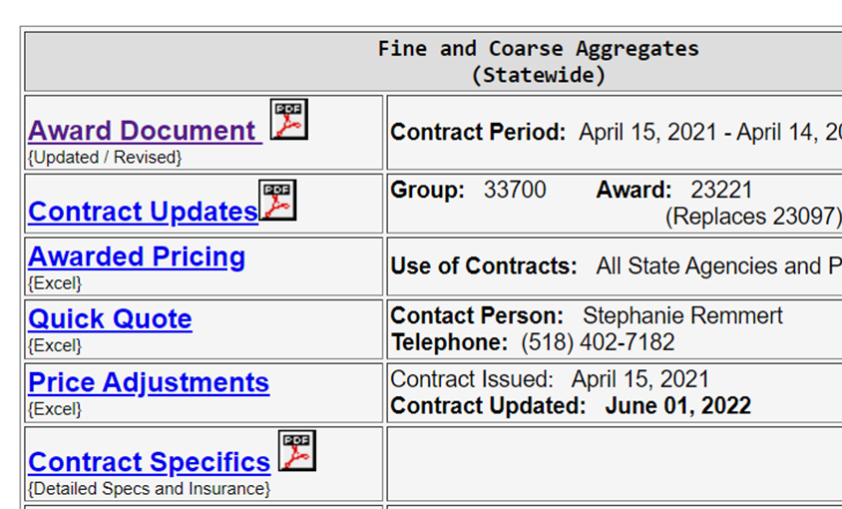
1 | In order to access the Price Adjustment information that OGS publishes every month for the duration of the contract, please go to the link below and follow the instructions outlined through the steps.
 | 337

2 | The above link takes you to the contract's landing page (see right picture).
 | There, you can access all the documents related to this contract. Click on the "Price Adjustments" link.
 | This will download the Price Adjustments document (Excel) to your computer.

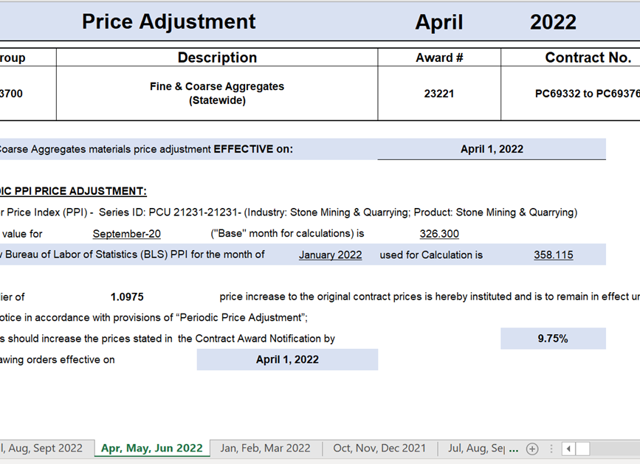

3 | From the Price Adjustments Excel, click on the appropiate tab (at the bottom) to select the Month.

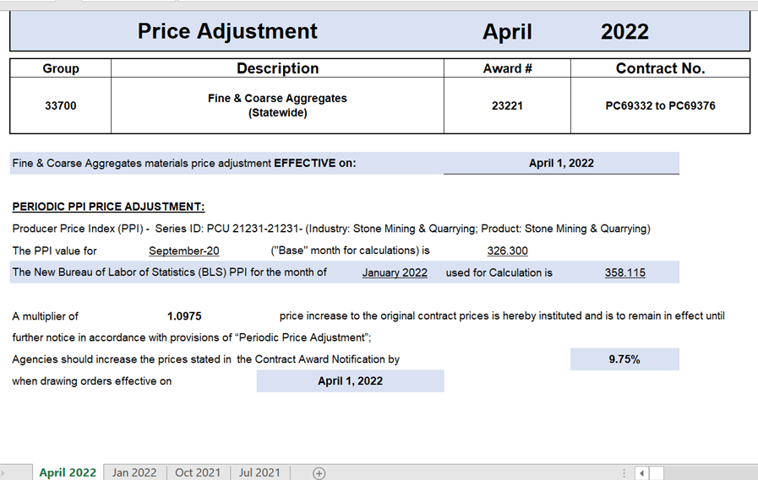

4 | Within the selected month, now we can find the Price Adjustment percentage % that we are including in our Quick Quote.



5 | This would be the value we need to enter in section "Quarterly PPI Price Adjustment per Percentage %" of our Quick Quote (see picture at right)

 | NOTE: The Authorized User and the Contractor should adhere to the following guidelines: 1. The Total Material Item Cost + Delivery Cost shown includes all the Price Adjustments for the month when the Quick Quote form was sent to the Contractor. If the material is delivered in a different month than the one used to calculate the Quick Quote, the invoice will reflect the updated Total Material Item Cost + Delivery Cost including the Price Adjustment for the month in which the material was actually delivered (instead of the adjustment amount used in the Quick Quote).
 | 2. Prices awarded are "not-to-exceed" unit prices. 3. At no time may a Quick Quote unit price (without the Price Adjustment) exceed the contract price. Material cost, hauling expenses, etc., can be lowered by the Contractor any time during the quick quote process.
 | 4. No additional charges, other than the application of the Price Adjustment, are allowed.

