Available Brand Parts
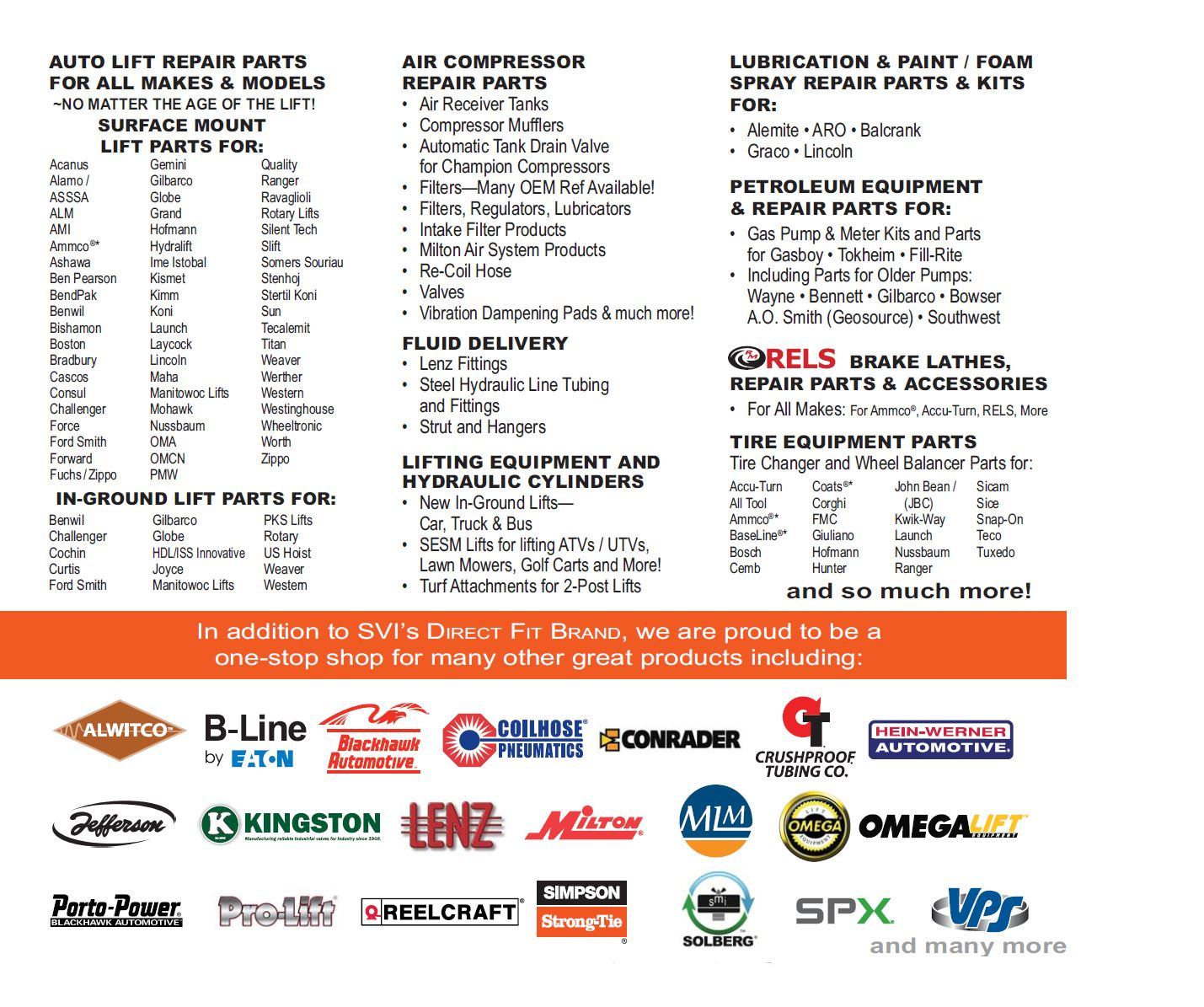
Brands for Which SVI is the Effective OEM | Notes
Globe Lift | Discontinued and subsequently acquired
Manitowoc Lifts | Discontinued and subsequently acquired
RELS Brake Lathes | Acquired
Gilbarco Lifts | Discontinued and subsequently acquired

Discontinued/Defunct Auto Lifts - US/Canada
Acanus
Alamo/ASSSA
AMI
Ashawa
Benwil
Bishamon
Boston
Bradbury
Cascos
Cochin
Consul
Curtis
Force
Ford Smith
Fuchs/Zippo
Gemini
Gilbarco Lifts
Globe Lift
Grand
Hydralift
Ime Istobal
Joyce
Kimm
Kismet
Laycock
Lincoln
Manitowoc
OMA
OMCN
PKS Lifts
PMW
Silent Tech
Slift
Somers Souriau
Tecalemit
Titan
US Hoist
Werther
Western
Westinghouse
Zippo

