CEAS
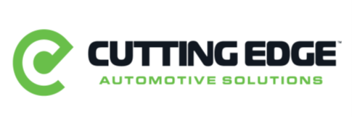

 |  | Eff Sept 2025

Part# | Machine Equipment | List Price | NY Pricing | % Off lIst
Z11450 | KONFORT 750R R134a A/C Machine | $6,000.00 | $4,950.00 | 17.50%
Z11450HD | KONFORT 750RHD R134a A/C Machine | $6,100.00 | $5,032.50 | 17.50%
A17910 | KONFORT 760 R1234yf TOUCH USA | $10,500.00 | $8,662.50 | 17.50%
A17810 | KONFORT 780 Dual Gas TOUCH USA | $13,000.00 | $10,725.00 | 17.50%

