Sheet1
Sourcewell RFP #121223
Vehicle Lifts with Garage & Fleet Maintenance Equipment

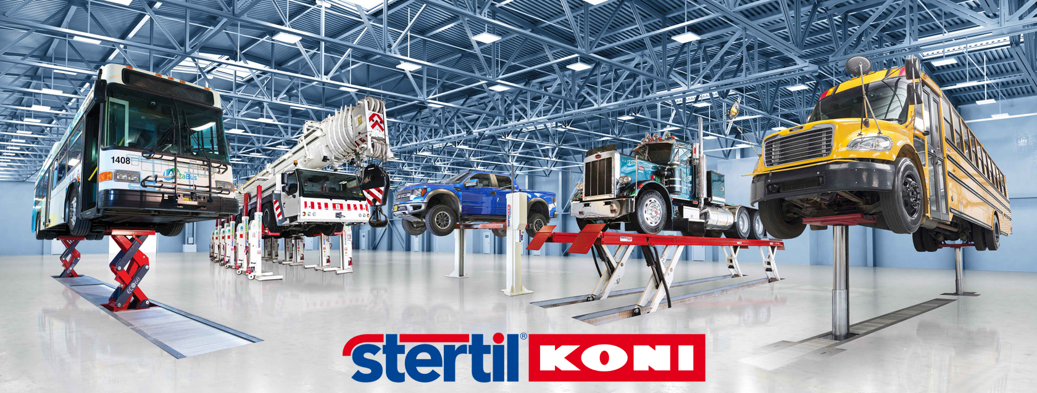

2023 Price List - Edition 1, April 1, 2023

